Sheet1
Given the data on the previous year's balance sheet, operational data for the year 2023-24. Prepare the three statements |  |  |  |  |  | Amounts in ₹ thousand |  |  |  | Cash flow statement is critical to understand liquidity of the company. Poor liquidity is fatal. Planning for new investment round is related to cash flow.
Operational data for the year 2021-22 and some balance sheet data as on 31.3.2021 |  | Profit & Loss Statement |  |  | Balance Sheet as on | 31.03.2023 | 31.03.2024 | Change |  | Cash Flow Statement
Amounts are in ₹ thousand |  | Gross Profit |  | Margin | Assets |  |  |  |  | From operating activities
Payment of rent | 600 | Sales | 31,000 |  | Current Assets |  |  |  |  | Net profit | 5,186 | 5,186
Advertisement expense | 120 | Cost of goods sold |  |  | Cash in hand and Bank | 450 | 3,083 |  |  | Depreciation | 1,187 | 1,187
Purchase of equipment | 400 | Opening stock | 3,000 |  | Closing stock (Inventory) | 3,000 | 5,300 |  |  | Amortization | 1,000 | 1,000
Salary | 3,500 | Purchase of goods | 17,000 |  | Receivable | 4,200 | 5,700 |  |  | Change in inventory/ stock | -2,300 | -2,300
Closing stock | 5,300 |  |  |  |  |  |  |  |  | Change in accounts receivable | -1,500 | -1,500
Transportation expense | 430 | Goods available to sell (opening stock+purchase) | 20,000 |  | Non-current assets |  |  |  |  | Change in account payable | 1,000 | 1,000
Maintenance | 50 | Closing stock | 5,300 |  | Land | 500 | 3,070 |  |  | Sub total | 4,573 | 4,573
Legal expense | 35 | Cost of goods sold (= opening stock + purchase ̶ closing stock) | 14,700 |  | Building | 2,000 | 7,790
Purchase of goods | 17,000 | Gross Profit | 16,300 |  | Machinery | 5,400 | 6,993 |  |  | From investment activities
Construction of factory shed | 6,300 | Gross profit margin | 53% |  | Capitalized Preliminary & Preoperative Expenses to the extent not AMORTIZED | 5,000 | 4,000 |  |  | Land
Purchase of truck | 2,500 | Depreciation |  |  | Total assets | 20,550 | 35,936 |  |  | Purchase of land | -2,570 | -2570
Truck hiring charge received | 250 | Land
Amortization of Prelem. & preop. | 1,000 | Last year account | 500 |  | Equity & Liabilities |  |  |  |  | Change in building
Repayment of bank loan | 500 | Purchase during the year | 2,570 |  | Equity share capital | 7,000 | 8,500 |  |  | Purchase of building | -6,300 | -6,300
Trade Receivables | 5,700 | Sold during the year | 0 |  | Other equity (Reserves & Surplus) | 2,350 | 5,036 |  |  | Sale of building | 100 | 100
Telephone bill payment | 45 | Total value of land | 3,070 |  | Preference share capital | 2,000 | 2,000 | 378.33333333 | 66.666666667 | Equipment/Machinery
Purchase of telephone | 20 | Depreciation on land = NIL (Always) | 0 |  | Total equity | 11,350 |  |  |  | Equipment | -400 | -400
Electricity bill payment | 1,900 | Depreciation on Building |  |  |  |  |  |  |  | Purchase of truck | -2,500 | -2,500
Sale of old machine (book value: 1000) | 1,000 | Value as per last balance sheet | 2,000 |  | Current liabilities (short-term liabilities) |  |  |  |  | Purchase of computer | -450 | -450
Interest on bank loan | 56 | Purchase during the year | 6,300 |  | Accounts or Trade payables | 4,630 | 5,630 |  |  | Purchase of telephone | -20 | -20
Sales ( of goods) | 31,000 | Subtotal | 8,300 |  | Short-term bank loan outstanding | 2,800 | 3,500 |  |  | Sold machine | 1,000 | 1,000
Closing cash in hand & bank |  | Sold during the year | 100 |  |  |  |  |  |  | Sub total | -11,140 | -11,140
Insurance | 125 | Total depreciable value of buildings | 8,200 |  | Non-current liabilities (Long-term liabilities)
Audit fees | 30 | Depreciation @ 5% | 410 |  | Long-term bank loan | 1,770 | 11,270 |  |  | From financing activities
Fresh long term loan raised | 10,000 | Depreciated value of building (Book value of building) (also known as Net Value) | 7,790 |  |  |  |  |  |  | Repayment of long-term loan | -500 | -500
Trade Payables | 5,630 |  |  |  | Total equity and libilities | 20,550 | 35,936 |  |  | Fresh long-term loan raised | 10,000 | 10,000
Traveling expenses | 350 | Depreciation on Machinery |  |  |  |  |  |  |  | Change in short-term loan | 700 | 700
Stationeries | 20 | Value as per last balance sheet | 5,400 |  | Operating cycle = inventory+receivables-payables |  |  |  |  | Change in equity | 1,500 | 1,500
REMEMBER THE FOLLOWING
i. Gross Profit = Sales minus Cost of Goods Sold
ii. EBITDA = Gross Profit minus Operating Expenses before Depreciation and Amortization
iii. Operating Profit (or EBIT) = EBITDA minus Depreciation & Amortization
iv. Profit Before Tax or PBT = Operating Profit minus Interest
v. Profit After Tax (PAT) or Net Profit = PBT minus Income Tax
vi. Retained Profit or Retained Earnings = PAT minus Dividend
Company pays dividend during the year | 2,500 | Equipments | 400 |  |  |  |  |  |  | Dividend | -2,500 | -2,500
Founders contribute to new equity capital | 1,500 | New truck | 2,500 |  |  |  |  |  |  | Sub total | 9,200 | 9,200
Company pays income tax @ 20% |  | Computer | 450
Outstanding in short term loan | 3,500 | Telephone | 20 |  |  |  |  |  |  | Total cash flow | 2,633 | 2,633
Web hosting | 10 | Purchase of machinery during the year and previous value | 8,770 |  |  |  |  |  |  | Balance of cash in last year balance sheet | 450 | 450
Packaging | 150 | Subtotal |  |  |  |  |  |  |  | Net balance | 3,083 | 3,083
Internet cost | 210 | Sold during the year | 1,000
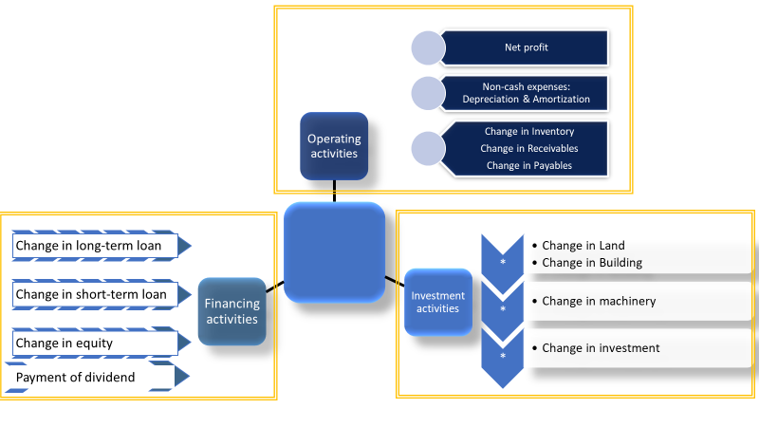
Purchase of computer | 450 | Total depreciable value of machinery | 7,770
Purchase of land | 2570 | Depreciation @10% | 777
Depreciation rate for building @5% |  | Net value of machinery (Book value of machinery) | 6,993
Depreciation rate for machiner @10%
Sale of building | 100 | Total depreciation (Depreciation of Buildings & M/C) | 1,187
 |  | Operating expenses before depreciation & amortization | 7,575
 |  | EBIDTA (profit before interest, depreciation, tax, and amortization) | 8,725

 |  | Operating expenses | 9,762
 |  | Operating profit (EBIT) | 6,538 | 21%
 |  | Interest | 56
 |  | Profit before tax | 6,482
 |  | Income tax @20% | 1,296
 |  | Net Profit | 5,186 | 17%
 |  | Dividend | 2,500
 |  | Retained profit | 2,686

 |  | Cash profit (=NP+Depreciation+Amortization) | 7,373

 |  |  |  |  |  |  |  | 500
 |  |  |  |  |  |  |  | 0
 |  |  |  |  |  |  |  | 0
 |  |  |  |  |  |  |  |  |  |  |  |  | 0
 |  |  |  |  |  |  |  | 0
 |  |  |  |  |  |  |  | 0
 |  |  |  |  |  |  |  | 0
 |  |  |  |  |  |  |  | 0
 |  |  |  |  |  |  |  | 500 |  |  |  |  | 0

 |  |  |  |  |  |  |  | B12
 |  |  |  |  |  |  |  | B11
 |  |  |  |  |  |  |  | E25+E26-E27

 |  |  |  |  |  |  |  | Total building value minus depreciation for the year. This value is shown in next year balance sheet and is the book value as on 31.03.2018

 |  |  |  |  |  |  |  | This is book value as per last year account or as on 31.03.2017

 |  |  |  |  |  |  |  | B4
 |  |  |  |  |  |  |  | B12 |  |  |  |  | This is under building and has since been considered above and must not be considered again.
 |  |  |  |  |  |  |  | B13
 |  |  |  |  |  |  |  | B18

 |  |  |  |  |  |  |  | Total asset minus depreciation for the year. This value is shown in next year balance sheet as the book value of Plant & Equipment as on 31.03.2018

 |  |  |  |  |  |  |  | E29+E41

 |  |  |  |  |  |  |  | E48+E49-E50
 |  |  |  |  |  |  |  | E46-E51

 |  |  |  |  |  |  |  | Sum of all items in red color. They are all revenue expense

 |  |  |  |  |  |  |  | E55-E44

 |  |  |  |  |  |  |  | B14

 |  |  |  |  |  |  |  | E60-E61
 |  |  |  |  | Net Profit or Profit After Tax (PAT) | 0
 |  |  |  |  | Dividend | 0 |  | This should be added to previous Reserves & Surplus to get new Reserves & Surplus figure.
 |  |  |  |  | Retained profit | 0

